Main
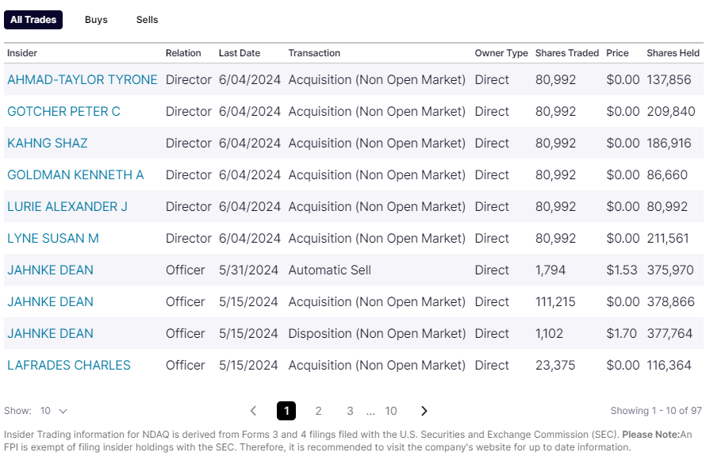

 |  | in USDk | Q124 | Q224 | Q324
 | Price | $1.07 | $1.07 | $1.07
 | Shares | 154,761 | 154,761 | 154,761 |  | in K
 | MC | 164,821 | 164,821 | 164,821 |  | in K usd
 | Cash | 444,293 | 202,553 | 219,373 | 263,356 | in K usd | 0.84126437457 | cash per share
 | Debt | 213,184 | 156,765 | 98,799 | 164,740 | in K usd
 | EV | -66,288 | 119,033 | 44,247 | 66,205 | in K usd

super low expectations; still like 1bln of revenue per year, and they need 20M profit at 10dr to be at fair value

Sales data
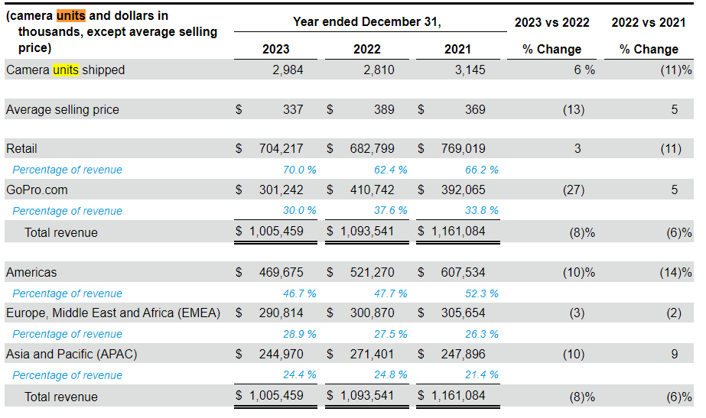

Competitors
 | https://www.mordorintelligence.com/industry-reports/action-camera-market
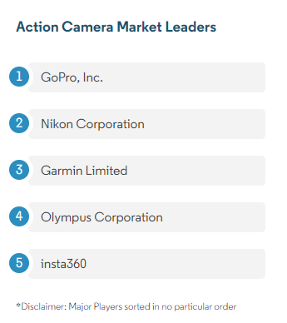
GoPro
Nikon corp
Garmin limited
Olympus corp
insta 360

XD


